Profit Center Master Data
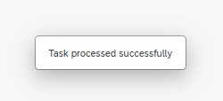
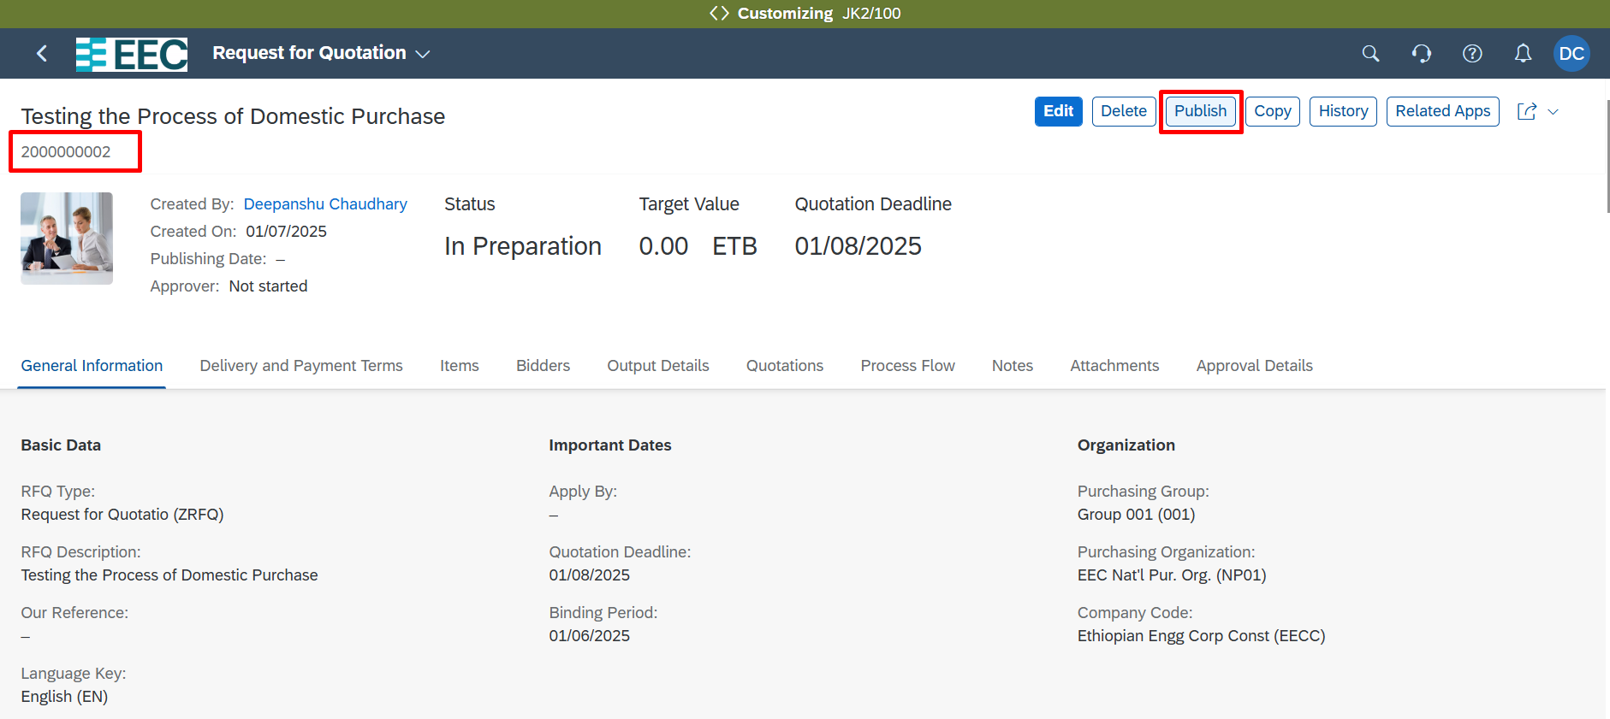
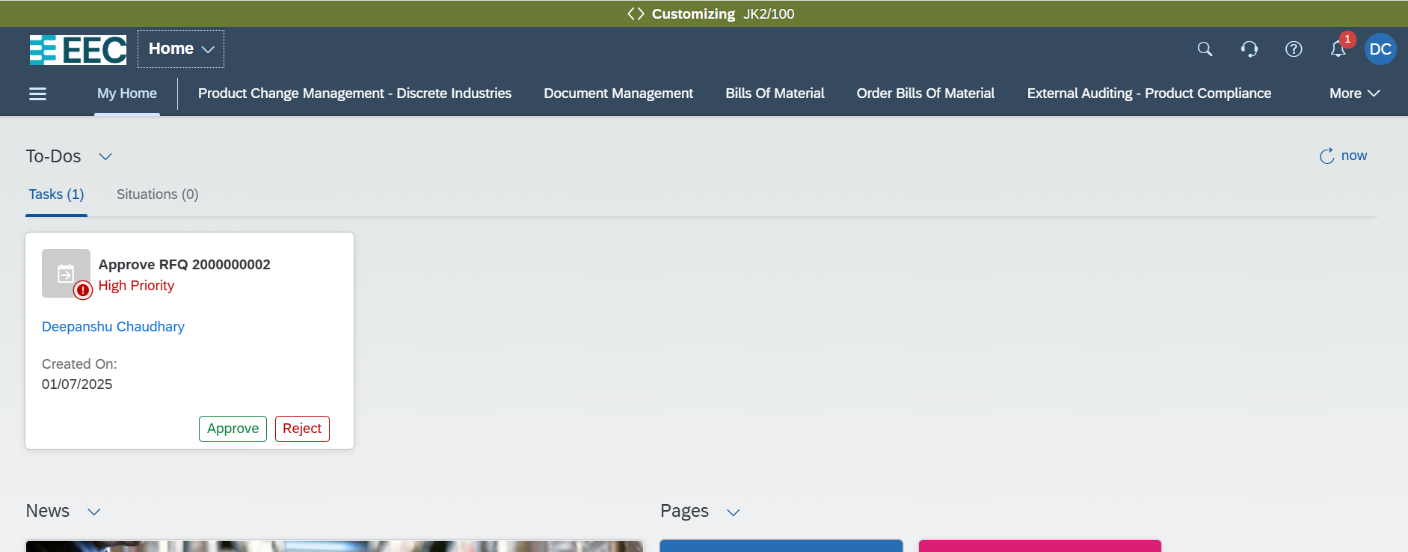
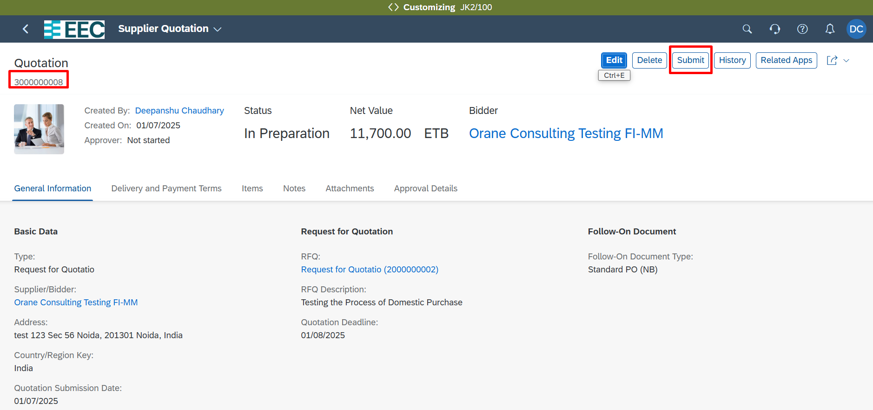
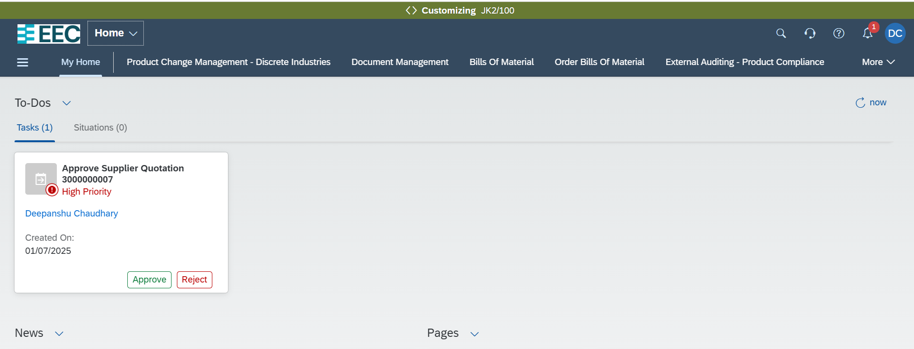
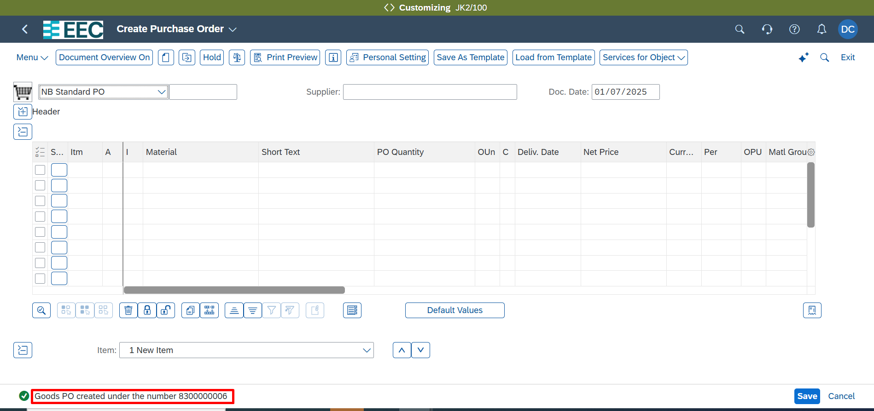
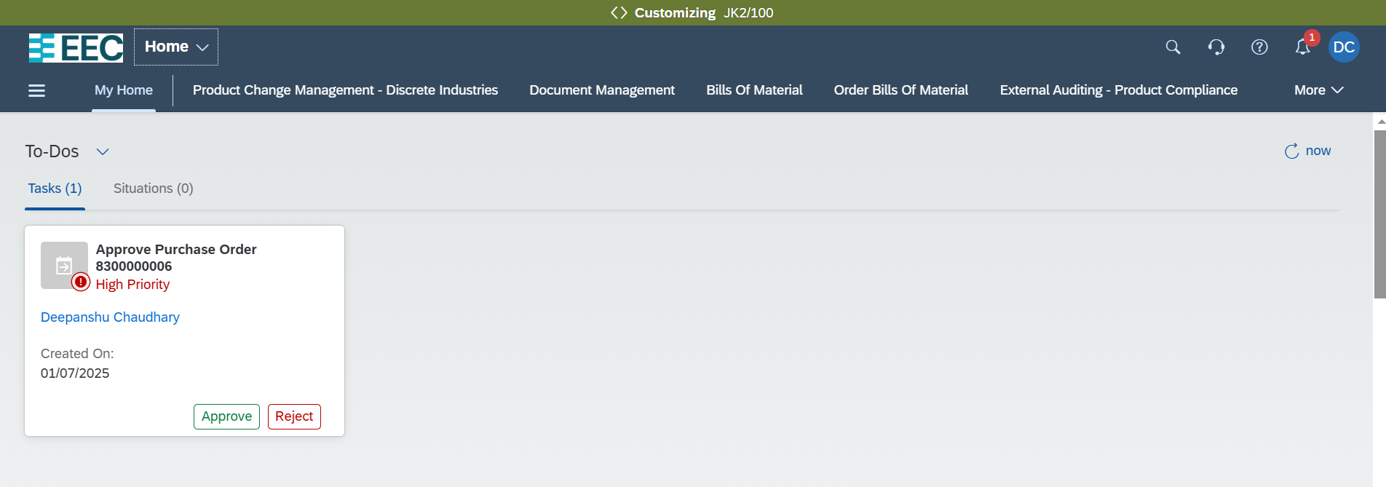
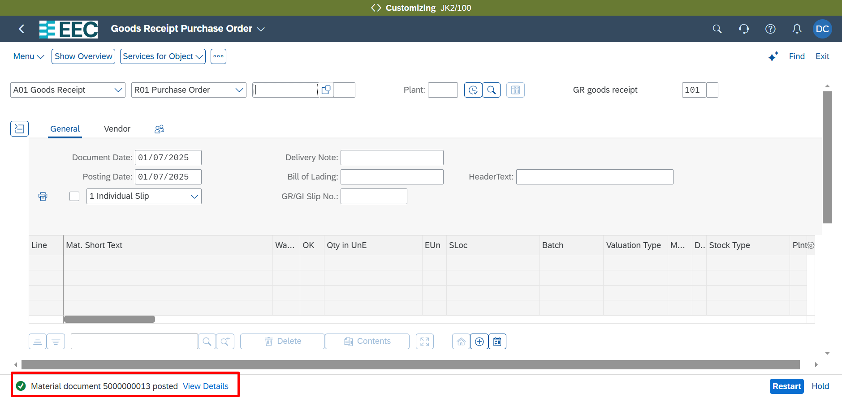
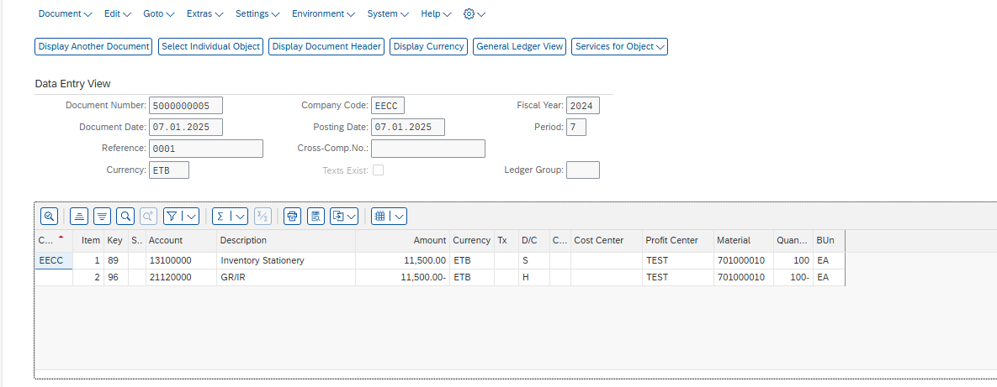
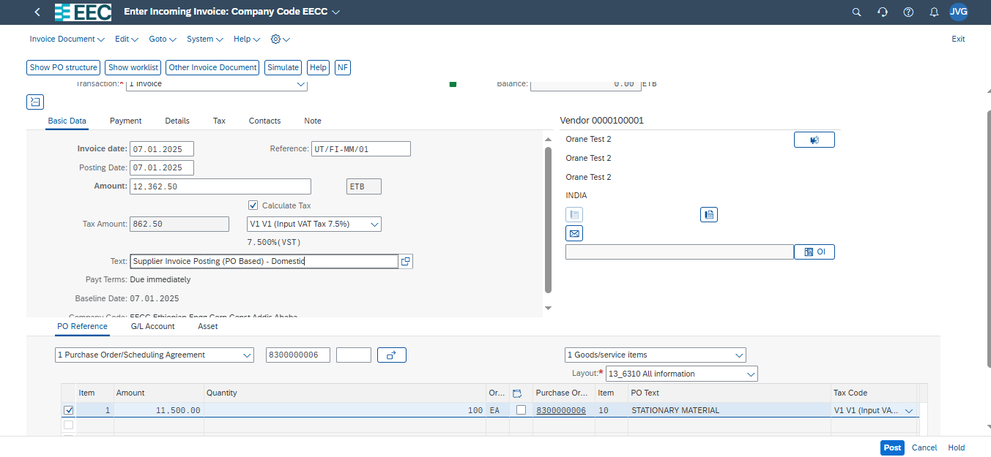
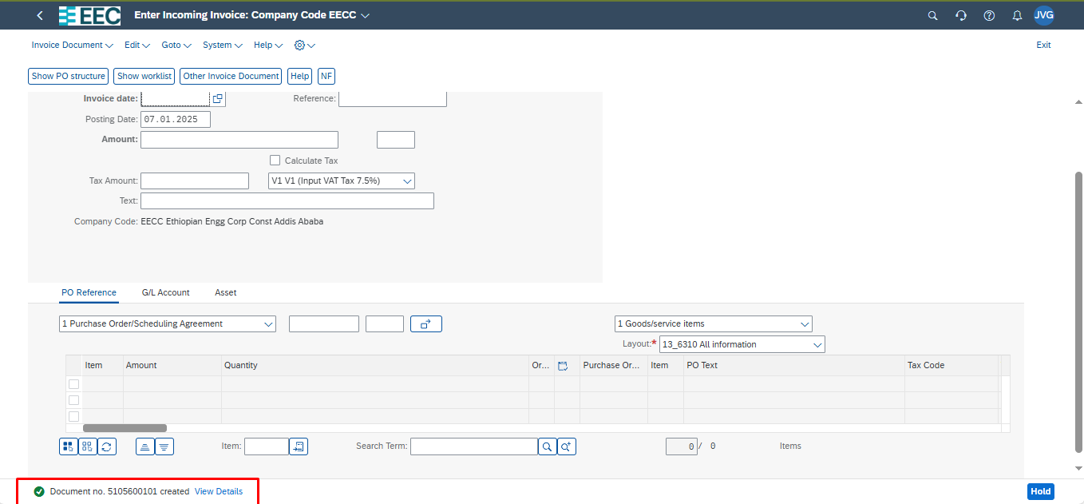
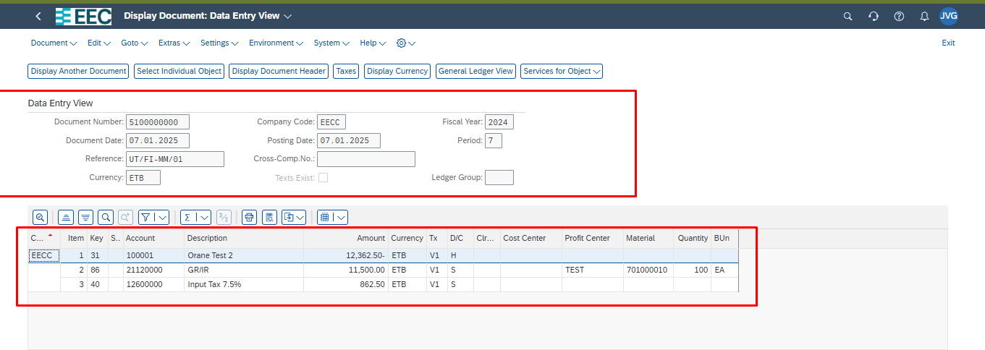
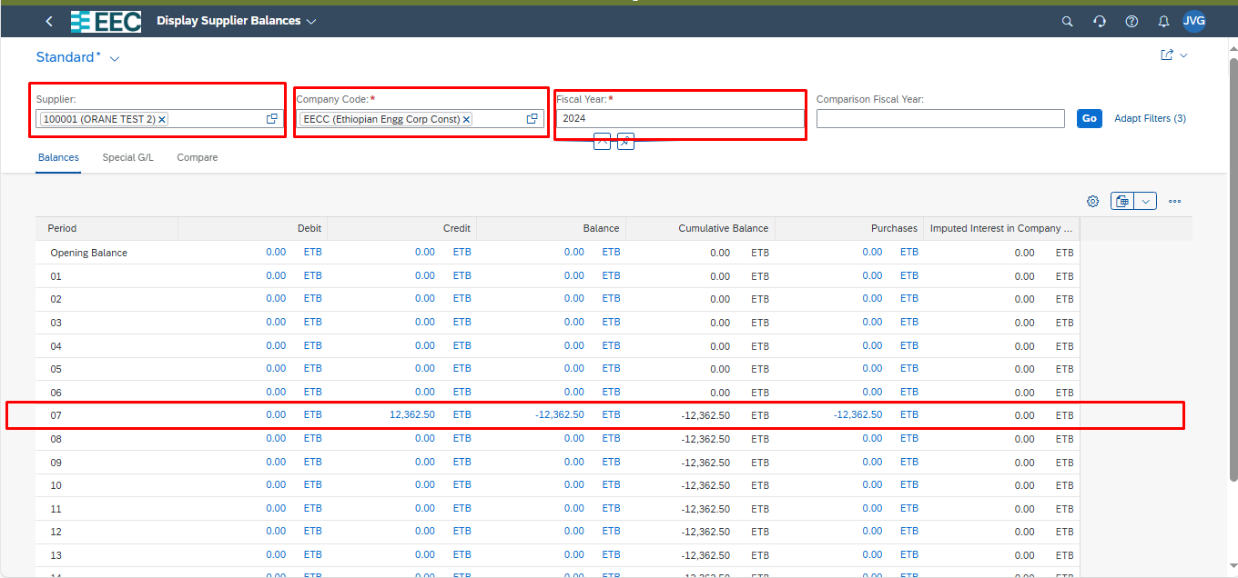
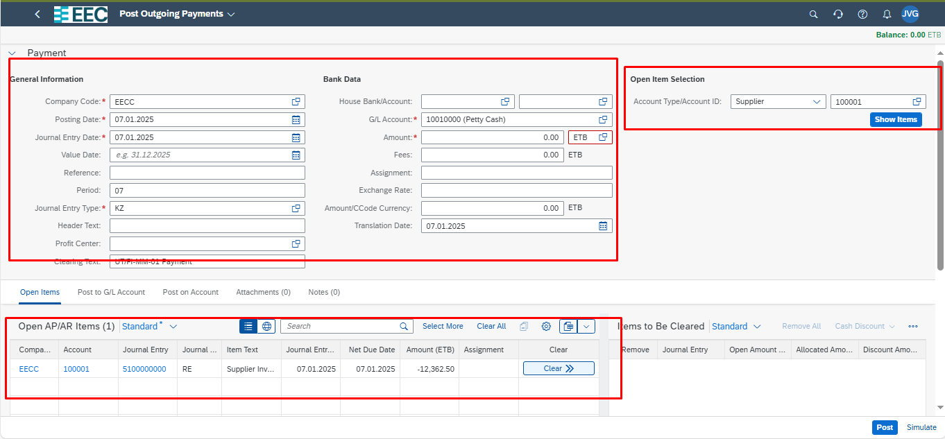
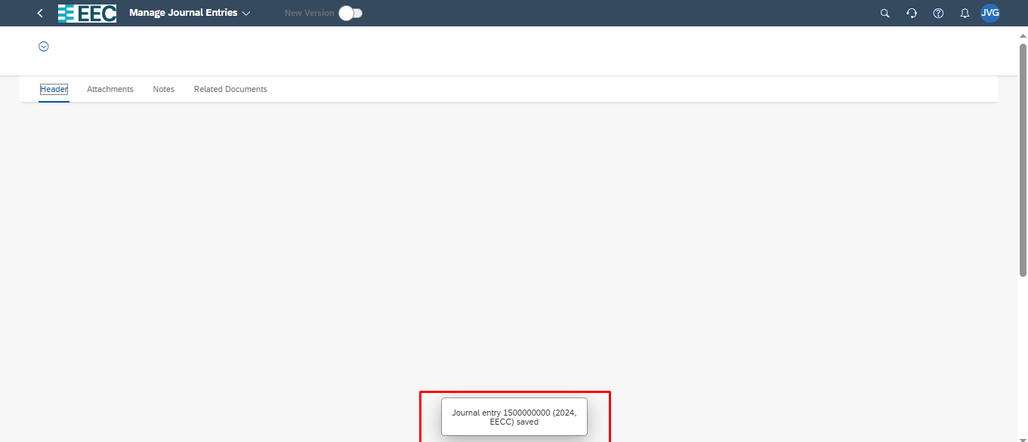
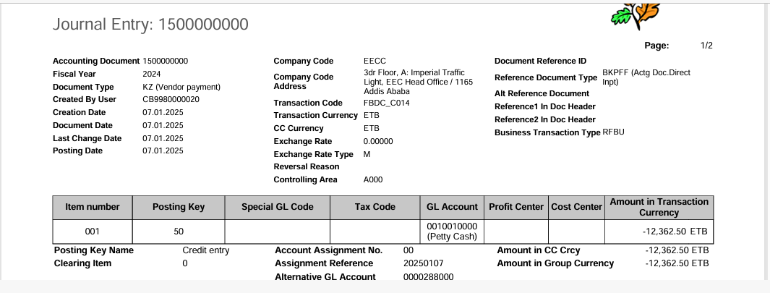
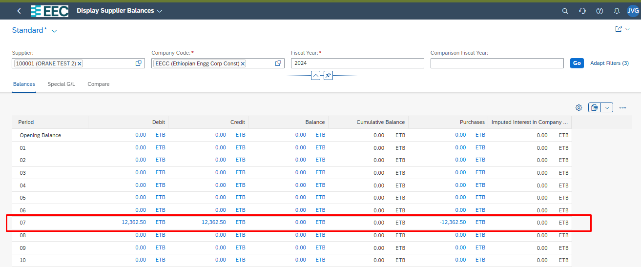
 |  | Test Scenario Result
Purpose |  | This scenario document should provide description of the scenario case, the prerequisites of the test, a detailed test procedure, and the expected test result. It should also provide the refence to the test case it belongs to.

Scenario Details:
Test Case ID: | PC_MD_1
Scenario ID: | UT_PCM_01
Scenario Description: | Create Profit Center(BNH)
Estimated Duration:
Priority:

Prerequisites:
Prerequisite | Description | Comments/Notes
System Access and Roles
Controllin Area, Company Code, Profit Center Group,Segment

Test Step:
Step | Step Detail | Input Data | Expected Result | Actual Result | Pass/Fail/ Not done | Document Created | Userid | Remark
1 | Open App Manage Profit Centers App |  | A new window opens, showing the Master Data for Profit Center screen. | A new window opens, showing the Master Data for Profit Center screen.
 | Use this Sample data | ..\..\Master Data\Source data for CO - Profit center.xlsx
2 | Add Profit Center, Choose Create |  | A new window opens, showing the Profit Center: New screen. | A new window opens, showing the Profit Center: New screen.

3 | Enter New Profit Center Data | In the New Profit Center section, enter the following data: Profit Center: <Name>, for example, YBXXX Note Maximum length is 10. Don't use special characters like %, !, $, &, @ and so on. They will cause app dump and can't be deleted. Valid From: <Beginning valid date> Valid To: <Ending valid date> Name: <Any description> Responsible Person: <Name of responsible people>
4 | Enter Basic Data | On the Organizational Unit tab, enter the following data: Standard Hierarchy Node: <profit center group> Segment: <segment>
5 | Assign Company code | Select the checkbox to assign the company code -Not MnadaTORY
6 | Save Your Data | Save your entries | The profit center will be created | The Profit center is created
7 | Set New Validity Period (Optional) | In the profit center you have created, choose Validity Period > New Validity Period . Enter Valid From and Valid To, and select a source data period. Choose Create. |  | New Validity period is created for the Profit center
8 | Change other allowed fields | ● Department ● Person Resp. for PC ● User Responsible ● Title ● Name ● Name 2 ● Name 3 ● Name 4 ● Lock Indicator Choose Save. | A new validity period is created. | A new validity period is created.

